New User Activation (Stream 4K)
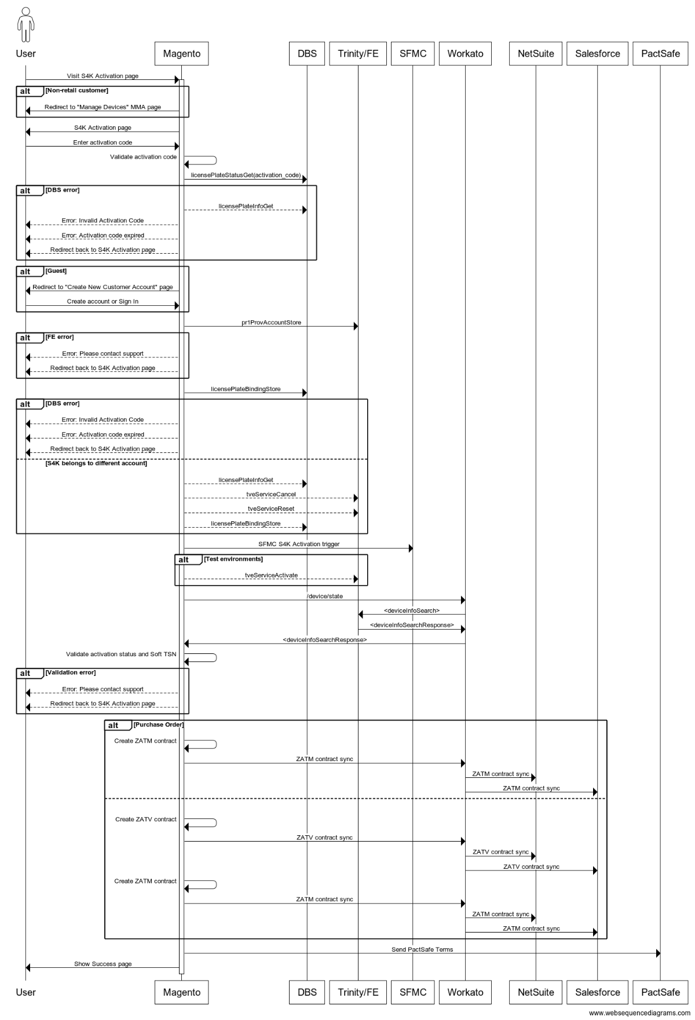
Opening: "Thank you for calling TiVo. My name is _____. May I have your name please?"
Account Lookup:
 | Check if it is a new customer:
 |  | 1. Select Accounts on the drop-down menu located on the upper left portion in Service Console.
 |  | 2. Click New. Select Person Account then click Next.
 |  | 3. Fill-out the customer information

 | Existing customer and account auto-populate.
 |  | 1. Verify the email address.
 |  | 2. If the caller is unable to verify the email address on file, ask either of the following: Mailing Address Last 4 of the TSN Last 4-digit of the CC

 | Existing customer and account is not auto-populate.
 |  | 1. Get the caller’s name and phone number to search for the account.
 |  | 2. Once the account is found, verify the email address.
 |  | 3. If the caller is unable to verify the email address on file, ask either of the following: Mailing Address Last 4 of the TSN Last 4-digit of the CC

Note: Prior to activation, make sure the customer has access to a computer, laptop or mobile phone as they will need to enter the activation code using a web browser.

To activate a TiVo Stream 4K:

 | 1. Make sure to Install TiVo Stream 4K.
 | 2. After installation, proceed to Set up TiVo Stream 4K.
 | 3. After completing the initial set up, the activation screen is displayed, ask the customer to use a computer/laptop or mobile phone and go to tivo.com/activate/stream4k to activate the device.
 | 4. On the activation website, the customer must perform the following to proceed:

 |  | a. Enter the activation code from the TiVo Stream 4K.
 |  | b. Enter the CAPTCHA security verification code. Note: If the CAPTCHA code is unclear, select Reload captcha to generate a new code.
 |  | c. Place a check in the checkbox to agree to the User Agreement and Privacy Policy.
 |  | d. Select Activate Device to continue to the next page.

 |  | Note: The activation code expires after 10 minutes. If the customer is having trouble in activating the device, follow Trouble Activating or Reactivating Your TiVo Stream 4K. If the customer does not agree to the User Agreement and Privacy Policy, they will not be able to proceed with activation.

 | 5. The customer will be asked to create a TiVo account or log in if they have an existing account.
 | 6. Ask the customer to log in or create a TiVo account to complete the activation.

 |  | Note: These options will also appear under My Account in Manage My Account should they choose to do this at a later time.

 | 8. Advise the customer to proceed with Personalizing TiVo Stream 4K to complete the set up.
 | 9. Inform the customer that a case number will be sent via email along with the self-service option for reference.
 | 10. Close the case with proper disposition and categorization.

